1020" test
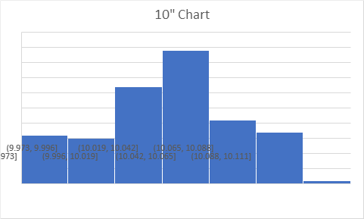
Sensor 3 |  | inch: | 10 | 20 | Bins
9.97 | 20.04 | mean | 10.02445205 | 19.99452055 | 12.08304597
10.01 | 20.01 | variance | 0.00114900803 | 0.002284251299
10.01 | 19.99 | DIFF | 0.02445205479 | 0.005479452055
9.98 | 19.99 | STDev | 0.03389702096 | 0.04779384164
9.97 | 19.99
9.97 | 20.04
10.01 | 20.06
10.01 | 20.03
9.97 | 20.04
9.97 | 20.03
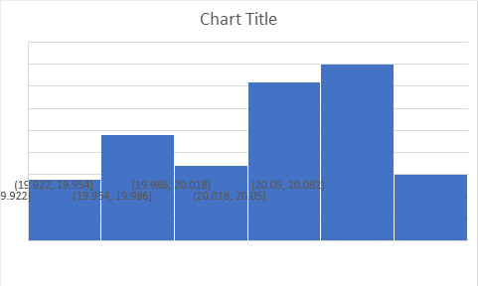
9.97 | 20.02
10.01 | 20.05
10.01 | 20.05
9.97 | 20.02
9.97 | 20.06
9.96 | 20.06
10 | 20.02
10 | 19.99
9.96 | 19.97
9.95 | 19.95
9.95 | 19.92
9.99 | 19.9
9.99 | 19.91
9.99 | 19.99
9.96 | 20.01
9.96 | 20.01
9.96 | 20
10.01 | 20.01
10.01 | 19.96
9.97 | 19.99
9.98 | 20.03
9.98 | 20.03
10.02 | 19.97
10.03 | 19.93
9.99 | 19.92
9.99 | 19.91
9.99 | 19.93
10.04 | 19.96
10.03 | 19.95
9.99 | 19.89
9.99 | 19.98
10 | 20.03
10.04 | 20.04
10.04 | 20.02
9.99 | 19.95
9.99 | 19.91
10.04 | 19.95
10.04 | 20.03
10 | 19.99
10.01 | 19.94
10.01 | 19.92
10.06 | 19.93
10.06 | 20.01
10.01 | 20.06
10.01 | 20.03
10.06 | 20
10.06 | 20.01
10.01 | 20.01
10.01 | 19.97
10.04 | 19.93
10.08 | 19.92
10.04 | 19.92
10.03 | 19.91
10.03 | 19.93
10.07 | 20.01
10.07 | 20.06
10.03 | 20.07
10.04 | 20.07
10.08 | 20.03
10.07 | 19.93
10.03 | 19.93
10.02 | 19.91
10.01 | 19.91
10.06 | 19.93
10.01 | 20
10.01 | 20.01
10.01 | 20.02
10.05 | 20.01
10.05 | 19.99
10.01 | 20.03
10.01 | 20.05
10.06 | 20.03
10.06 | 19.95
10.03 | 19.94
10.03 | 19.94
10.04 | 19.93
10.08 | 19.93
10.04 | 19.97
10.04 | 20.01
10.04 | 20.03
10.07 | 20.05
10.06 | 20.03
10.01 | 20.02
10.01 | 20.03
10.05 | 20.05
10.06 | 20.03
10.03 | 19.99
10.04 | 19.97
10.04 | 19.95
10.07 | 19.94
10.07 | 19.95
10.04 | 19.98
10.04 | 19.97
10.08 | 19.98
10.08 | 19.99
10.04 | 20.01
10.04 | 19.99
10.08 | 19.99
10.08 | 20
10.04 | 20.01
10.05 | 20.03
10.04 | 20.07
10.08 | 20.07
10.07 | 20.05
10.02 | 20.06
10.01 | 20.07
10.06 | 19.99
10.06 | 20.03
10.02 | 20.04
10.01 | 20.03
10.01 | 20.06
10.05 | 20.06
10.02 | 20.05
10.03 | 20.01
10.02 | 19.99
10.06 | 20.01
10.05 | 20
10.02 | 19.95
10.04 | 19.97
10.08 | 20.02
10.09 | 20.07
10.06 | 20.07
10.04 | 20.05
10.01 | 20.05
10.04 | 20.05
10 | 20.01
9.99 | 19.97
9.98 | 19.97
10.05 | 19.97
10.08 | 19.98
10.04 | 19.98
10.03 | 20.01
10.01 | 20.03
10.06 | 19.95
10.02 | 19.89
10.04 | 19.95

Sensor 3
6 | 12 | 18 | 24
6.85 | 12.94 | 18.92 | 24.86 |  | 6 | 12 | 18 | 24
6.85 | 12.97 | 18.93 | 24.86 | Mean | 6.848721805 | 12.93015038 | 19.00992481 | 24.85842105
6.85 | 12.97 | 18.95 | 24.9 | Variance | 2.032353611E-05 | 0.001186340852 | 0.001888630668 | 0.0009073365231
6.85 | 12.97 | 18.94 | 24.84 | DIFF | 0.8487218045 | 0.9301503759 | 1.009924812 | 0.8584210526 | 0.9118045113
6.85 | 12.96 | 19 | 24.83
6.85 | 12.93 | 18.97 | 24.85 | Bins | 6.848660834
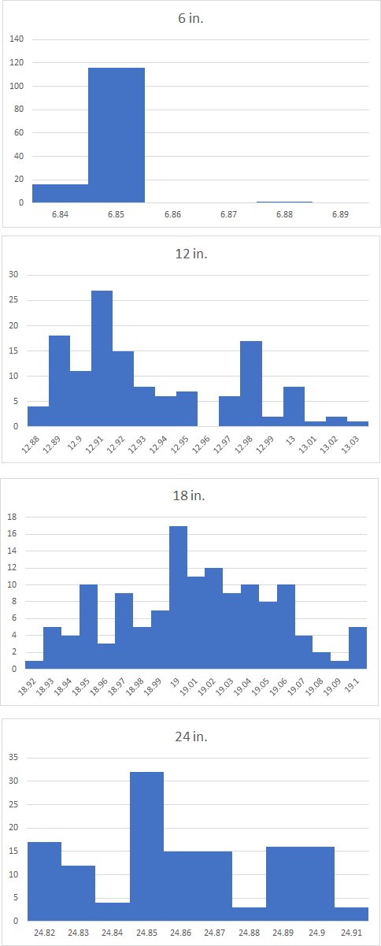
6.85 | 12.91 | 18.95 | 24.87 |  | 6.848681157
6.85 | 12.9 | 19.03 | 24.83 |  | 6.848701481
6.85 | 12.89 | 19.01 | 24.83 |  | 6.848721805
6.85 | 12.89 | 19.07 | 24.83 |  | 6.848742128
6.85 | 12.88 | 19.05 | 24.89 |  | 6.848762452
6.85 | 12.88 | 19.05 | 24.87 |  | 6.848782775
6.85 | 12.88 | 19.1 | 24.85
6.85 | 12.88 | 19.06 | 24.85
6.85 | 12.89 | 19.06 | 24.9
6.85 | 12.91 | 19.05 | 24.89
6.85 | 12.91 | 19.04 | 24.84
6.85 | 12.92 | 19.05 | 24.85
6.85 | 12.92 | 18.99 | 24.87
6.87 | 12.91 | 18.97 | 24.88
6.85 | 12.9 | 18.98 | 24.82
6.85 | 12.89 | 18.97 | 24.85
6.85 | 12.89 | 19.01 | 24.89
6.85 | 12.89 | 18.95 | 24.89
6.85 | 12.89 | 18.93 | 24.85
6.85 | 12.94 | 18.97 | 24.85
6.85 | 12.9 | 18.94 | 24.9
6.85 | 12.95 | 18.95 | 24.9
6.85 | 12.91 | 18.95 | 24.86
6.85 | 12.93 | 18.98 | 24.87
6.85 | 12.9 | 19.03 | 24.87
6.85 | 12.95 | 18.97 | 24.9
6.84 | 12.9 | 18.95 | 24.86
6.85 | 12.94 | 18.94 | 24.86
6.85 | 12.91 | 18.98 | 24.87
6.85 | 12.97 | 19.07 | 24.91
6.84 | 12.93 | 19.04 | 24.87
6.84 | 12.98 | 19.02 | 24.87
6.84 | 12.92 | 19.03 | 24.87
6.84 | 12.95 | 19.05 | 24.9
6.85 | 12.93 | 19.1 | 24.86
6.85 | 12.95 | 19.04 | 24.85
6.85 | 12.92 | 19.02 | 24.83
6.85 | 12.9 | 19.06 | 24.89
6.85 | 12.9 | 19.01 | 24.9
6.85 | 12.9 | 19.02 | 24.86
6.85 | 12.89 | 19.02 | 24.85
6.85 | 12.89 | 19.02 | 24.9
6.85 | 12.89 | 19.06 | 24.9
6.85 | 12.89 | 19.01 | 24.85
6.85 | 12.91 | 19 | 24.82
6.85 | 12.91 | 19 | 24.87
6.85 | 12.92 | 18.99 | 24.87
6.85 | 12.92 | 19.02 | 24.85
6.85 | 12.91 | 18.99 | 24.83
6.85 | 12.92 | 19 | 24.88
6.85 | 12.92 | 18.99 | 24.89
6.85 | 12.96 | 18.95 | 24.85
6.85 | 12.97 | 19.01 | 24.85
6.85 | 12.96 | 18.97 | 24.9
6.85 | 12.95 | 18.96 | 24.9
6.85 | 12.96 | 19.01 | 24.85
6.85 | 12.97 | 19 | 24.85
6.85 | 12.98 | 19.01 | 24.85
6.85 | 12.99 | 19.02 | 24.9
6.85 | 13.01 | 19 | 24.85
6.85 | 13.01 | 19.06 | 24.86
6.85 | 13 | 19.02 | 24.85
6.85 | 12.99 | 19.02 | 24.89
6.85 | 12.99 | 19 | 24.84
6.85 | 12.99 | 18.96 | 24.85
6.85 | 12.99 | 18.97 | 24.85
6.85 | 12.99 | 18.93 | 24.89
6.85 | 12.97 | 18.93 | 24.83
6.85 | 12.97 | 18.97 | 24.83
6.85 | 12.96 | 18.93 | 24.83
6.85 | 12.93 | 18.94 | 24.87
6.85 | 12.91 | 18.96 | 24.89
6.85 | 12.94 | 18.95 | 24.85
6.85 | 12.97 | 19.01 | 24.85
6.85 | 13.02 | 18.97 | 24.89
6.85 | 12.97 | 18.98 | 24.89
6.85 | 12.99 | 19.01 | 24.85
6.85 | 12.92 | 19 | 24.85
6.85 | 12.96 | 19.06 | 24.89
6.85 | 12.91 | 19.03 | 24.89
6.85 | 12.94 | 19.03 | 24.85
6.85 | 12.89 | 19.08 | 24.85
6.85 | 12.94 | 19.04 | 24.9
6.85 | 12.93 | 19.05 | 24.9
6.85 | 12.99 | 19.03 | 24.87
6.85 | 12.97 | 19.02 | 24.86
6.85 | 12.97 | 19.05 | 24.85
6.85 | 12.97 | 19 | 24.89
6.85 | 12.97 | 18.99 | 24.83
6.85 | 12.97 | 19 | 24.82
6.85 | 12.97 | 18.99 | 24.81
6.85 | 12.97 | 19.04 | 24.88
6.85 | 12.95 | 19 | 24.85
6.85 | 12.95 | 19 | 24.85
6.85 | 12.93 | 19 | 24.85
6.85 | 12.92 | 19.03 | 24.89
6.85 | 12.92 | 19.07 | 24.87
6.85 | 12.93 | 19.06 | 24.81
6.84 | 12.92 | 19.07 | 24.81
6.85 | 12.92 | 19.1 | 24.83
6.85 | 12.91 | 19.06 | 24.84
6.85 | 12.91 | 19.1 | 24.79
6.85 | 12.91 | 19.06 | 24.79
6.84 | 12.91 | 19.06 | 24.8
6.85 | 12.91 | 19.09 | 24.82
6.85 | 12.9 | 19.03 | 24.78
6.85 | 12.89 | 19.02 | 24.78
6.85 | 12.9 | 19.01 | 24.79
6.85 | 12.91 | 19 | 24.85
6.85 | 12.91 | 19.04 | 24.81
6.85 | 12.92 | 19 | 24.82
6.84 | 12.91 | 19 | 24.8
6.84 | 12.91 | 19.01 | 24.85
6.84 | 12.9 | 19.03 | 24.86
6.84 | 12.89 | 19.08 | 24.82
6.83 | 12.89 | 19.05 | 24.86
6.83 | 12.89 | 19.04 | 24.9
6.83 | 12.89 | 19.04 | 24.9
6.84 | 12.89 | 19.04 | 24.86
6.85 | 12.91 | 19.1 | 24.87
6.85 | 12.91 | 19.04 | 24.91
6.85 | 12.91 | 19.02 | 24.91
6.85 | 12.91 | 18.99 | 24.86
6.85 | 12.92 | 18.98 | 24.86
6.85 | 12.91 | 19 | 24.89
6.85 | 12.91 | 18.95 | 24.86
6.84 | 12.91 | 18.95 | 24.83

